Pizza
PIZZA | TOPPINGS | Column1 | Char 10 = line break
Pizza1 | Extra Cheese, Garlic | Extra Cheese Garlic | Char 32 = Space
Pizza2 | Sausage, Pepperoni, Basil | Sausage Pepperoni Basil | Char 160 = non-breaking space
Pizza3 | Sausage, Mushrooms | Sausage Mushrooms
Pizza4 | Olives, Peppers | Olives Peppers
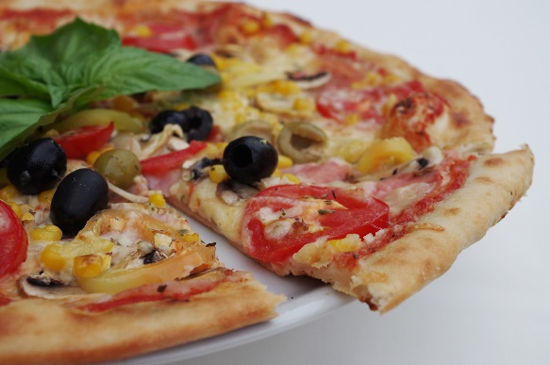
Pizza5 | Extra Cheese, Basil, Mushrooms | Extra Cheese Basil Mushrooms
Pizza6 | Sausage | Sausage
Pizza7 | Olives, Onions | Olives Onions
Pizza8 | Extra Cheese, Sausage | Extra Cheese Sausage
Pizza9 | Mushrooms, Pepperoni, Garlic | Mushrooms Pepperoni Garlic
Pizza10 | Extra Cheese | Extra Cheese
Pizza11 | Mushrooms, Olives, Basil, Extra Cheese | Mushrooms Olives Basil Extra Cheese
Pizza12 | Extra Cheese, Sausage | Extra Cheese Sausage
Pizza13 | Basil, Musrooms | Basil Musrooms
Pizza14 | Mushrooms | Mushrooms
Pizza15 | Peppers, Extra Cheese, Olives | Peppers Extra Cheese Olives

